Sheet1
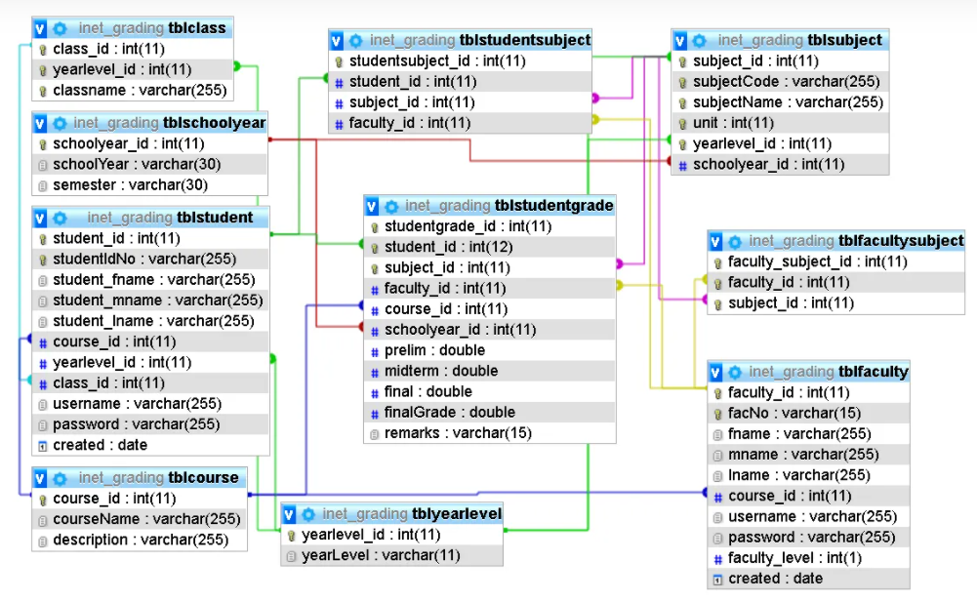
Students | Addresses | Programs | Grades
 | ID
ID | Country | ID | GradeID
Title | City | ProgramName | StudentID
Name | Municipality | Degree | SubjectID
Surname | ZipCode | Language | ProgramID
Term | Street | Years | SchoolYear
StartYear | House | Description | Term
ProgrammID |  |  | TestDate
ContactID |  |  | Grade

Teachers | Contacts | Subjects

ID | ID | ID
Title | Phone | SubjectCode
Name | Email | SubjectName
Surname | AddressID | NumOfTerms
Faculty |  | TeacherID
ContactID |  | Credits

